Introduction
User's Guide

Self-assessments are an integral element in the establishment and maintenance of an effective Occupational Health and Safety program. This tool, developed by the Kansas Department of Labor, provides staff within the K-State College of Agriculture a means by which to periodically assess the implementation status of their OH&S programs. The College of Agriculture's EH&S Office can assist in assessing OH&S programmatic issues and encourages staff to contact our Office.

What this tool provides you is a clear picture of the implementation status of your OH&S programs. And by having a robust program in place you reduce the likelihood of employee injuries and illnesses. You will also see benefit during any regulatory inspections by having programs and practices in place that you can showcase to the agency.

Risk is prevalent in the tasks we perform, and understanding what those risks are and how to reduce those risks are critical to managing occupational health and safety exposures. This tool can provide you the overarching assessment strategies for managing those risks.
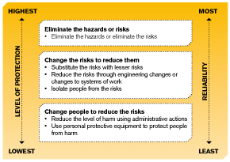

The College of Agriculture EHS& Office encourages you to incorporate this tool into your OH&S program assessment toolbox.

06.01.16

